thrust_vs_t
Time(s) | Thrust(N) | Acc( m/s^2) | Velocity | HEIGHT
0 | 0 | 0 | 0 | 0
0.03 | 114.72109 | 117.65787778 | 1.7648681667 | 0.0264730225
0.06 | 118.66778 | 122.03374461 | 5.3602425025 | 0.13334968254
0.09 | 122.57535 | 126.29863673 | 9.0852282226 | 0.35003174341 |  |  | Weight
0.12 | 126.44399 | 130.43569811 | 12.936243245 | 0.68035381543 |  |  | Nose cone | 75
0.15 | 130.27389 | 134.4367275 | 16.909329629 | 1.1280374086 | Thrust = 25 |  | BODY | 40
0.18 | 134.06521 | 138.29356816 | 21.000284064 | 1.696681614 |  |  | Fins | 90
0.21 | 137.81814 | 141.99823087 | 25.20466105 | 2.3897557907 | hmax = 334 cm | Ejection system | parachute | 100
0.24 | 141.53283 | 145.54287518 | 29.517777641 | 3.210592371 |  |  | Blackpoeder | 0
0.27 | 145.20942 | 148.91990241 | 33.934719304 | 4.1623798252 |  |  | cords | 0 |  | x
0.3 | 152.95201 | 156.68198225 | 38.518747574 | 5.2491818284 |  | Motor | Casing | 32
0.33 | 161.11371 | 164.75415159 | 43.340289582 | 6.4770673857 |  |  | Fuel | 170
0.36 | 169.5933 | 172.9918579 | 48.406479724 | 7.8532689253 |  |  | Mseal | 35
0.39 | 178.39655 | 181.37882705 | 53.722039999 | 9.3851967212 |  |  | Total | 542 | nearly 600gms
0.42 | 187.52869 | 189.89703837 | 59.29117798 | 11.080394991 |  |  |  | 600
0.45 | 196.99433 | 198.52625753 | 65.117527418 | 12.946525572
0.48 | 206.79739 | 207.24400065 | 71.204081291 | 14.991349702
0.51 | 216.941 | 216.02549198 | 77.55312368 | 17.222707777
0.54 | 227.42744 | 224.84369458 | 84.166161479 | 19.648497054
0.57 | 238.25806 | 233.66934956 | 91.043857141 | 22.276647334
0.6 | 249.43316 | 242.47100379 | 98.185962441 | 25.115094627
0.63 | 260.95194 | 251.21515034 | 105.59125475 | 28.171752885
0.66 | 272.81238 | 259.86632743 | 113.25747692 | 31.45448386
0.69 | 285.01117 | 268.38730954 | 121.18128147 | 34.971065236
0.72 | 292.12337 | 270.71681328 | 129.26784332 | 38.727802108
0.75 | 298.34017 | 271.54855183 | 137.40182379 | 42.727847115
0.78 | 304.46896 | 271.8510609 | 145.55281798 | 46.972166741
0.81 | 310.5087 | 271.6427982 | 153.70522587 | 51.461037399
0.84 | 316.45843 | 270.9345884 | 161.84388667 | 56.194274087
0.87 | 322.3172 | 269.73989127 | 169.95400386 | 61.171242445
0.9 | 328.08411 | 268.07480971 | 178.02122438 | 66.390870869
0.93 | 333.75828 | 265.95786435 | 186.03171449 | 71.851664952
0.96 | 339.33887 | 263.4097925 | 193.97222934 | 77.55172411
0.99 | 344.82508 | 260.45330051 | 201.83017574 | 83.488760186
1.02 | 350.21613 | 257.11277382 | 209.59366685 | 89.660117825
1.05 | 355.51126 | 253.41399556 | 217.25156839 | 96.062796353
1.08 | 360.70977 | 249.38390143 | 224.79353685 | 102.69347293
1.11 | 365.81094 | 245.05019737 | 232.21004833 | 109.54852671
1.14 | 370.81412 | 240.44116925 | 239.49241883 | 116.62406372
1.17 | 375.71866 | 235.58532175 | 246.63281619 | 123.91594224
1.2 | 380.52392 | 230.51111748 | 253.62426278 | 131.41979843
1.23 | 385.22932 | 225.24677776 | 260.46063121 | 139.13107184
1.26 | 389.83428 | 219.81997877 | 267.13663256 | 147.04503079
1.29 | 0 | -223.89594137 | 267.07549312 | 155.05821268
1.32 | 0 | -223.79795708 | 260.36008464 | 162.96974635
1.35 | 0 | -213.17212103 | 253.80553347 | 170.68223062
1.38 | 0 | -203.06174646 | 247.56202546 | 178.202744
1.41 | 0 | -193.67086935 | 241.61103622 | 185.54033993
1.44 | 0 | -184.93767847 | 235.93190801 | 192.70348409
1.47 | 0 | -176.80159565 | 230.50581889 | 199.70004999
1.5 | 0 | -169.20879763 | 225.31566299 | 206.53737222
1.53 | 0 | -162.11144397 | 220.34585937 | 213.22229506
1.56 | 0 | -155.46689323 | 215.58218431 | 219.76121571
1.59 | 0 | -149.23703458 | 211.0116254 | 226.16012286
1.62 | 0 | -143.38771816 | 206.6222541 | 232.42463105
1.65 | 0 | -137.88826767 | 202.40311432 | 238.56001158
1.68 | 0 | -132.71106206 | 198.34412437 | 244.57122016
1.71 | 0 | -127.83117502 | 194.43599081 | 250.46292188
1.74 | 0 | -123.22606357 | 190.67013224 | 256.23951373
1.77 | 0 | -118.87529798 | 187.03861181 | 261.90514489
1.8 | 0 | -114.76032693 | 183.53407744 | 267.46373523
1.83 | 0 | -110.86427274 | 180.14970844 | 272.91899202
1.86 | 0 | -107.17175236 | 176.87916807 | 278.27442517
1.89 | 0 | -103.66872029 | 173.71656098 | 283.5333611
1.92 | 0 | -100.34233067 | 170.65639521 | 288.69895544
2 | 0 | -97.180815682 | 162.75546936 | 302.03543003
4 | 0 | -89.278028419 | -23.703374741 | 441.08752464
4.5 | 0 | -11.495549922 | -48.896769327 | 422.93748863
5 | 0 | -16.982682152 | -56.016327345 | 396.70921446
5.5 | 0 | -19.223486788 | -65.06786958 | 366.43816523
6 | 0 | -22.511482955 | -75.501612016 | 331.29579483
6.5 | 0 | -26.911480251 | -87.857352818 | 290.45605362
7 | 0 | -32.966743332 | -102.82690871 | 242.78498824

Sheet1
 |  | nozzle
s.no | type | Y/N | TD (m) | ED (m) | TL(cm) | total length | CHA | DHA | length(cm) | CORE DIA(m) | isp | thrust (N) | hmax (m)
1 | core | not nozzle | 0.006 | 0.006 | 1 | 1 | 0 | 0 | 15 | 0.009 |  |  | 335
 | core | not nozzle | 0.006 | 0.006 | 2 | 2 | 0 | 0 | 15 | 0.009 |  |  | 335
2 | core | nozzle | 0.006 | 0.03 | 0.1 | 0.085981200337 | 30 | 15 | 15 | 0.009 |  |  | 308 | 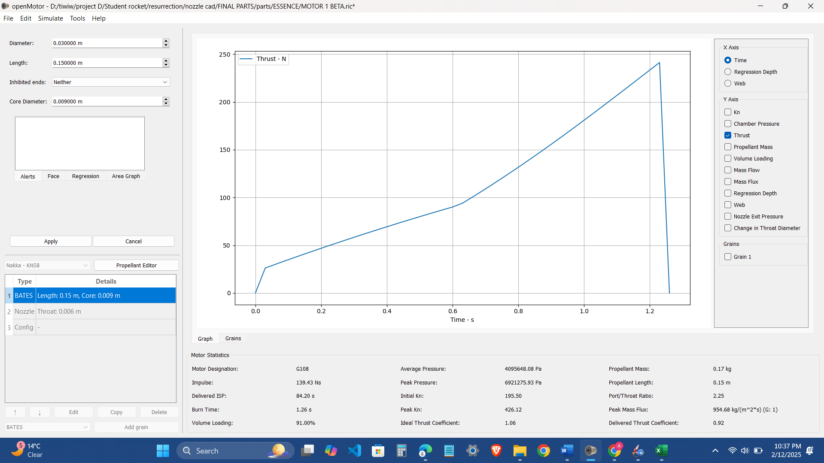
 | core | not nozzle | 0.006 | 0.012 | 1 | 1.5196152423 | 0 | 15 | 15 | 0.009 |  |  | 382
 | core | not nozzle | 0.006 | 0.012 | 0 | 0.51961524227 | 0 | 15 | 15 | 0.009 |  |  | 393.2
 | core | not nozzle | 0.005 | 0.015 | 0 |  | 0 | 15 | 15 | 0.009 |  |  | 452 | 